Sayfa1
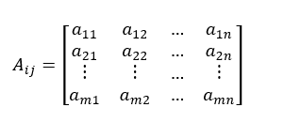
Step 1:Creating the Decision Matrix (A)
 | GRE | GPA | College Rating | Recomed Rating | Interview Rating
A | 690 | 3.1 | 9 | 7 | 4
B | 590 | 3.9 | 7 | 6 | 10
C | 600 | 3.6 | 8 | 8 | 7
D | 620 | 3.8 | 7 | 10 | 6
E | 700 | 2.8 | 10 | 4 | 6
F | 650 | 4 | 6 | 9 | 8

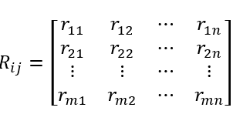

Step 2:Normalizing the Decision Matrix ( R)
 | GRE | GPA | College Rating | Recomed Rating | Interview Rating
A | 0.4380533 | 0.35545410435 | 0.46229894724 | 0.3763223314 | 0.23055616708
B | 0.3745673145 | 0.4471841958 | 0.35956584786 | 0.32256199834 | 0.5763904177
C | 0.38091591305 | 0.4127854115 | 0.41093239755 | 0.43008266446 | 0.40347329239
D | 0.39361311015 | 0.43571793437 | 0.35956584786 | 0.53760333057 | 0.34583425062
E | 0.44440189855 | 0.32105532006 | 0.51366549694 | 0.21504133223 | 0.34583425062
F | 0.4126589058 | 0.45865045723 | 0.30819929816 | 0.48384299751 | 0.46111233416

Step 3: Weighting of Normalized Decision Matrices (V)

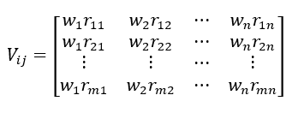

 | 0.3 | 0.2 | 0.2 | 0.15 | 0.15
 | GRE | GPA | College Rating | Recomed Rating | Interview Rating
A | 0.13141599 | 0.07109082087 | 0.092459789449 | 0.05644834971 | 0.034583425062
B | 0.11237019435 | 0.089436839159 | 0.071913169571 | 0.048384299751 | 0.086458562656
C | 0.11427477391 | 0.082557082301 | 0.08218647951 | 0.064512399668 | 0.060520993859
D | 0.11808393304 | 0.087143586873 | 0.071913169571 | 0.080640499586 | 0.051875137593
E | 0.13332056957 | 0.064211064012 | 0.10273309939 | 0.032256199834 | 0.051875137593
F | 0.12379767174 | 0.091730091445 | 0.061639859633 | 0.072576449627 | 0.069166850125
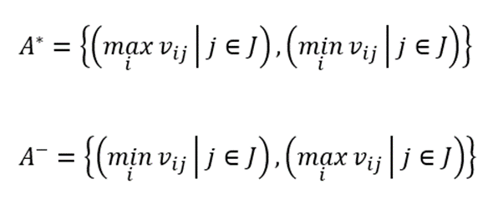
Step 4: Creating Ideal (A *) AND Negative Ideal (A-) Solutions

A* | 0.13332056957 | 0.091730091445 | 0.10273309939 | 0.080640499586 | 0.086458562656
A- | 0.11237019435 | 0.064211064012 | 0.061639859633 | 0.032256199834 | 0.034583425062

Step 5: Calculation of Discrimination Criteria

 | Si+ | Si-
A | 0.061736843345 | 0.044104439413
B | 0.049340730937 | 0.060770273458
C | 0.042449064762 | 0.049755274108
D | 0.048980327475 | 0.057481580497
E | 0.065531294985 | 0.049260287226
F | 0.046296567481 | 0.060906649414

Step 6: Computing Relative Solution According to Ideal Solution

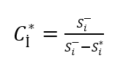
 | Ci | Rank
A | 0.41670356088 | 6
B | 0.55190009202 | 2
C | 0.53961966126 | 4
D | 0.53992626651 | 3
E | 0.42912804473 | 5
F | 0.56814199403 | 1

